Chart
None considered | - |  |  | Total of papers considered:
UNCERTAINTIES TACKLED | UNC | 38 | 52.05% | 73
SELF-ADAPTIVE | SA | 23 | 31.51%
FORMAL METHOD? | FM | 22 | 30.14%
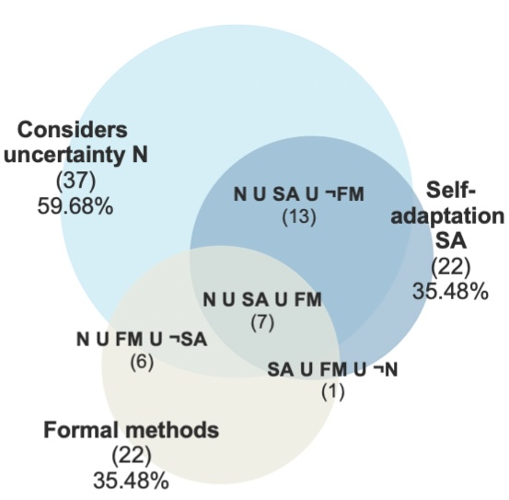
 | UNC-SA | 14 | 19.18%
 | UNC-FM | 6 | 8.22%
 | SA-FM | 1 | 1.37%
 | UNC-SA-FM | 7 | 9.59%

